1. Title Page
Instacart Data Analysis

Project Name: Instacart Data Analysis
Date: September 25, 2023
Analyst Name: Pierre Mora Erazo

Contents:
Population Flow
Consistency checks
Wrangling steps
Column derivations
Visualizations
Recommendations

2. Population Flow
Title page

Population flow

Exclusion flag
Condition: max_order < 5 THEN low-active customer
Obervations to be removed: 7928090
Final total count of order_products_all: 24235104

Orders_products_combined
Orders_products_merged
Orders_products_all
FINAL DATASET

Total: (32404859, 14)
24235104, 31
Total: (32434489, 10)
Total: 32163194, 32

1.) The grey boxes in the first row of the population flow represent the original data sets as they were when you downloaded them. In the Total fields you need to add the count of the rows when you imported the data set into Jupyter.
2.) The second row of boxes (coloured) represents the data sets after you manipulated them, e.g., removed missing values and duplicates. In the Total fields you need to add the count of the rows after conducting these operations. This offers a visual oveview of how the data flows throughout the data consistency checks.
3.) The third row, where also the arrows are coloured, represents the merges you performed between the datasets. In the Total fields you need to add the count of the rows in the merged datasets, so that you end up with the final dataset (in the red box). Keep in mind the final dataset should be without exclusions (based on the exclusion flag).

3. Consistency checks
 |  |  |  | Title page
Consistency checks

Dataset | Missing values | Missing values treatment | Duplicates
orders | days_since_prior_order : 206209 | Customers always have a first purchase, that means they didn't order before, for this situation, there is no days_since_prior_order. Nan values converted into zeros. | no
products | product_id: 0 product_name: 16 aisle_id: 0 department_id: 0 prices : 0 | In the products data frame, it was observed that there were 16 missing values in the 'product_name' column. To address this issue droppingmissing values effectively removed only the NaN values from the 'product_name' column, ensuring data cleanliness and completeness for further analysis. | We identified the presence of 5 fully duplicated observations in the data frame. To maintain data integrity and avoid redundancy, the next step involved eliminating these duplicate observations.
orders_products_prior |  |  | no
customers | first_name: 11258 | keep missing values,because next step will be eliminate whole column because of data privacy | no

4. Wrangling steps
Wrangling steps

Dataframe | Columns dropped | Columns renamed | Columns' type changed | Comment/Reason
Orders.csv |  |  | "user_id' from int64 to string | unique values
Orders.csv |  |  | 'order_id'from int64 to string | unique values
Orders.csv |  |  | 'days_since_prior_order' from float64 to int32 | save RAM memory
Orders.csv | eval_set |  |  | unnecesary column for analysis
Orders.csv |  | order_dow |  | In the process of enhancing data quality and clarity, column names in the 'orders' dataframe were updated. Renaming was carried out to ensure consistency and better understanding of the data.
products.csv |  |  | 'product_id' from int64 to string | unique values
products.csv |  |  | department_id' from int64 to string | unique values
products.csv |  | number_of_order
products.csv | unnamed : 0 |  |  | unnecesary column for analysis
orders_products_prior.csv |  |  | ' order_id' from int64 to string | unique values
 |  |  | 'product_id' from int64 to str | unique values
customer.csv | first_name |  |  | PII data privacy
customer.csv | last_name |  |  | PII data privacy
customer.csv
customer.csv |  | First name |  | In the process of enhancing data quality and clarity, column names in the 'customer' dataframe were updated. Renaming was carried out to ensure consistency and better understanding of the data.
customer.csv |  | Surnam |  | In the process of enhancing data quality and clarity, column names in the 'customer' dataframe were updated. Renaming was carried out to ensure consistency and better understanding of the data.
customer.csv |  | STATE |  | In the process of enhancing data quality and clarity, column names in the 'customer' dataframe were updated. Renaming was carried out to ensure consistency and better understanding of the data.
customer.csv |  | n_dependants |  | In the process of enhancing data quality and clarity, column names in the 'customer' dataframe were updated. Renaming was carried out to ensure consistency and better understanding of the data.
customer.csv |  | income |  | In the process of enhancing data quality and clarity, column names in the 'customer' dataframe were updated. Renaming was carried out to ensure consistency and better understanding of the data.
customer.csv |  | Gender |  | In the process of enhancing data quality and clarity, column names in the 'customer' dataframe were updated. Renaming was carried out to ensure consistency and better understanding of the data.

5. Column derivations
Column derivations and aggregations

In this tab you should add tables below that the frequences of flags/label variables that you produced after deriving them. NB: don't do this for continuous variables, only for flags.
Dataset | New column | Column/s it was derived from | Conditions
ords_prods_merged | price_range_loc | prices | If the item’s price is lower than or equal to $5, it will be labeled a “low-range product.” If the item’s price is above $5 but lower than or equal to $15, it will be labeled a “mid-range product.” If the item’s price is above $15, it will be labeled a “high-range product.”
ords_prods_merged | busiest_day | order_day_of_week | If the value in the "order_day_of_week" column is equal to 0, it's labeled as the "Busiest day." If the value is equal to 4, it's labeled as the "Least busy" day. For all other values, it's labeled as "Regularly busy."
ords_prods_merged | max_order | 'user_id' & 'number_of_orders' | total of orders made by an unique user_id
ords_prods_merged | loyalty_flag | max_order | If a customer has made more than 15 orders (their 'max_order' is greater than 15), they are labeled as a 'Loyal customer.' This category is for customers who have a long history of ordering from the platform. If a customer has made between 7 and 15 orders (their 'max_order' is greater than 6 but less than or equal to 15), they are labeled as a 'Regular customer.' These customers order fairly regularly but may not have as extensive a history as loyal customers. If a customer has made 5 or fewer orders (their 'max_order' is less than or equal to 5), they are labeled as a 'New customer.' This category includes customers who have recently started using the platform and haven't placed many orders yet.
ords_prods_merged | avg_price | user_id' & 'prices' | Create an order frequency flag that marks the regularity of a user’s ordering behavior according to the median in the “days_since_prior_order” columnnd assigns this mean value to the 'avg_price' column for each corresponding row.
ords_prods_merged | spending_flag | avg_price | If a customer's average spending per order (referred to as 'avg_price') is less than $10, they are labeled as a 'Low Spender.' This category includes customers who tend to make smaller purchases on average. If a customer's average spending per order is $10 or more, they are labeled as a 'High Spender.' This category includes customers who tend to make larger purchases on average.
ords_prods_merged | median_order_day | user_id' & 'days_since_prior_order' | For each user (identified by 'user_id'), the code calculates the median number of days that pass between their orders. This means it's finding the middle value in the sequence of days since their last orders. The result of this calculation is then assigned to a new column called 'median_order_day' in the same DataFrame. This 'median_order_day' column will contain the median number of days since the prior order for each user.
ords_prods_merged | frequency_flag | median_order_day | If a customer's median time between orders (referred to as 'median_order_day') is greater than 20 days, they are labeled as a 'Non-frequent customer.' This category is for customers who order infrequently and have longer gaps between their orders. If a customer's median time between orders is between 11 and 20 days (inclusive), they are labeled as a 'Regular customer.' These customers order regularly but may have some gaps between orders. If a customer's median time between orders is 10 days or fewer, they are labeled as a 'Frequent customer.' This category includes customers who order frequently and have shorter intervals between their orders.
df_without_pii | region | state | The state_to_region dictionary associates each U.S. state with its corresponding region. For example, it maps 'Connecticut' to 'Region 1,' which represents the Northeast. The code uses the map() method to apply this dictionary to the 'state' column in the DataFrame df_without_pii. It looks at the 'state' value for each row and checks the dictionary to find the corresponding region. After applying the mapping, a new column called 'Region' is added to the DataFrame. This 'Region' column contains the region (e.g., 'Region 1') for each state, based on the information provided in the state_to_region dictionary.
df_without_pii | exclusion_flag | number_of_orders | If a customer has placed fewer than 5 orders (their 'number_of_orders' is less than 5), they are labeled as a 'low-active customer.' This category includes customers who have made only a few orders and may not be very active on the platform. If a customer has placed 5 or more orders (their 'number_of_orders' is 5 or greater), they are labeled as an 'active customer.' These are customers who have made a relatively higher number of orders and are considered more active on the platform.
df_without_pii | customer_profile | fam_status, number_of_dependants, age, department_id, total_income | College Student: Customers who are single, have no dependants, are between 18 and 25 years old, prefer specific departments (1, 5, 7, 9, 15, 19), and have a total income below $100,000. Single Young Professional: Customers who are single, have no dependants, are between 26 and 35 years old, prefer specific departments (1, 3, 7, 8, 11, 12, 16, 19, 20), and have a total income below $100,000. Adult Athlete: Customers who are either single or married, have no dependants, are between 25 and 35 years old, prefer specific departments (7, 11, 12, 16), and have a total income below $100,000. Young Mother: Customers who are either single, divorced/widowed, or married, have one dependant, are between 20 and 30 years old, prefer specific departments (1, 3, 9, 15, 18, 19), have a total income below $100,000, and are female. Young Professional Parent: Customers who are married, have one or two dependants, are between 28 and 40 years old, prefer specific departments (3, 7, 8, 11, 12, 16, 17, 18), and have a total income between $80,000 and $150,000. Empty Nester: Customers who are either single, divorced/widowed, or married, have no dependants, are between 45 and 65 years old, prefer specific departments (3, 5, 7, 8, 12, 16, 17, 19, 20), and have a total income between $100,000 and $180,000. Senior Citizen: Customers who are either single, divorced/widowed, or married, have no dependants, are between 66 and 98 years old, prefer specific departments (1, 2, 3, 4, 5, 7, 8, 12, 14, 16, 17, 19, 20), and have a total income of $100,000 or more. Traveler: Customers who are either single or married, have no dependants, are between 20 and 40 years old, prefer specific departments (1, 5, 7, 9, 19, 20), and have a total income below $70,000. Masters Student: Customers who are either single or married, have one or two dependants, are between 30 and 40 years old, prefer specific departments (1, 7, 11, 15, 19, 20), and have a total income of $75,000 or more.

6. Visualizations
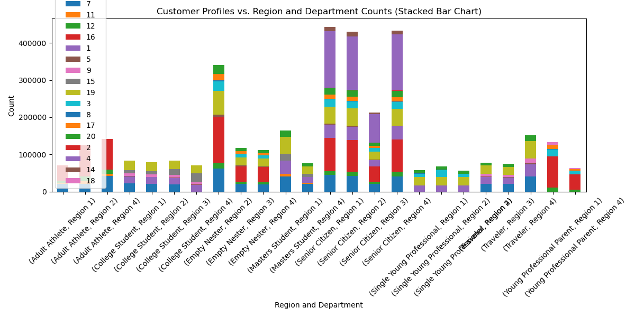
 |  |  | Title page

Visualizations

In this tab you should include all the visualtions from Exercises 4.9 and 4.10, alongside the questions from the project brief that they answer. Include any commentary on the relationship between different variables.

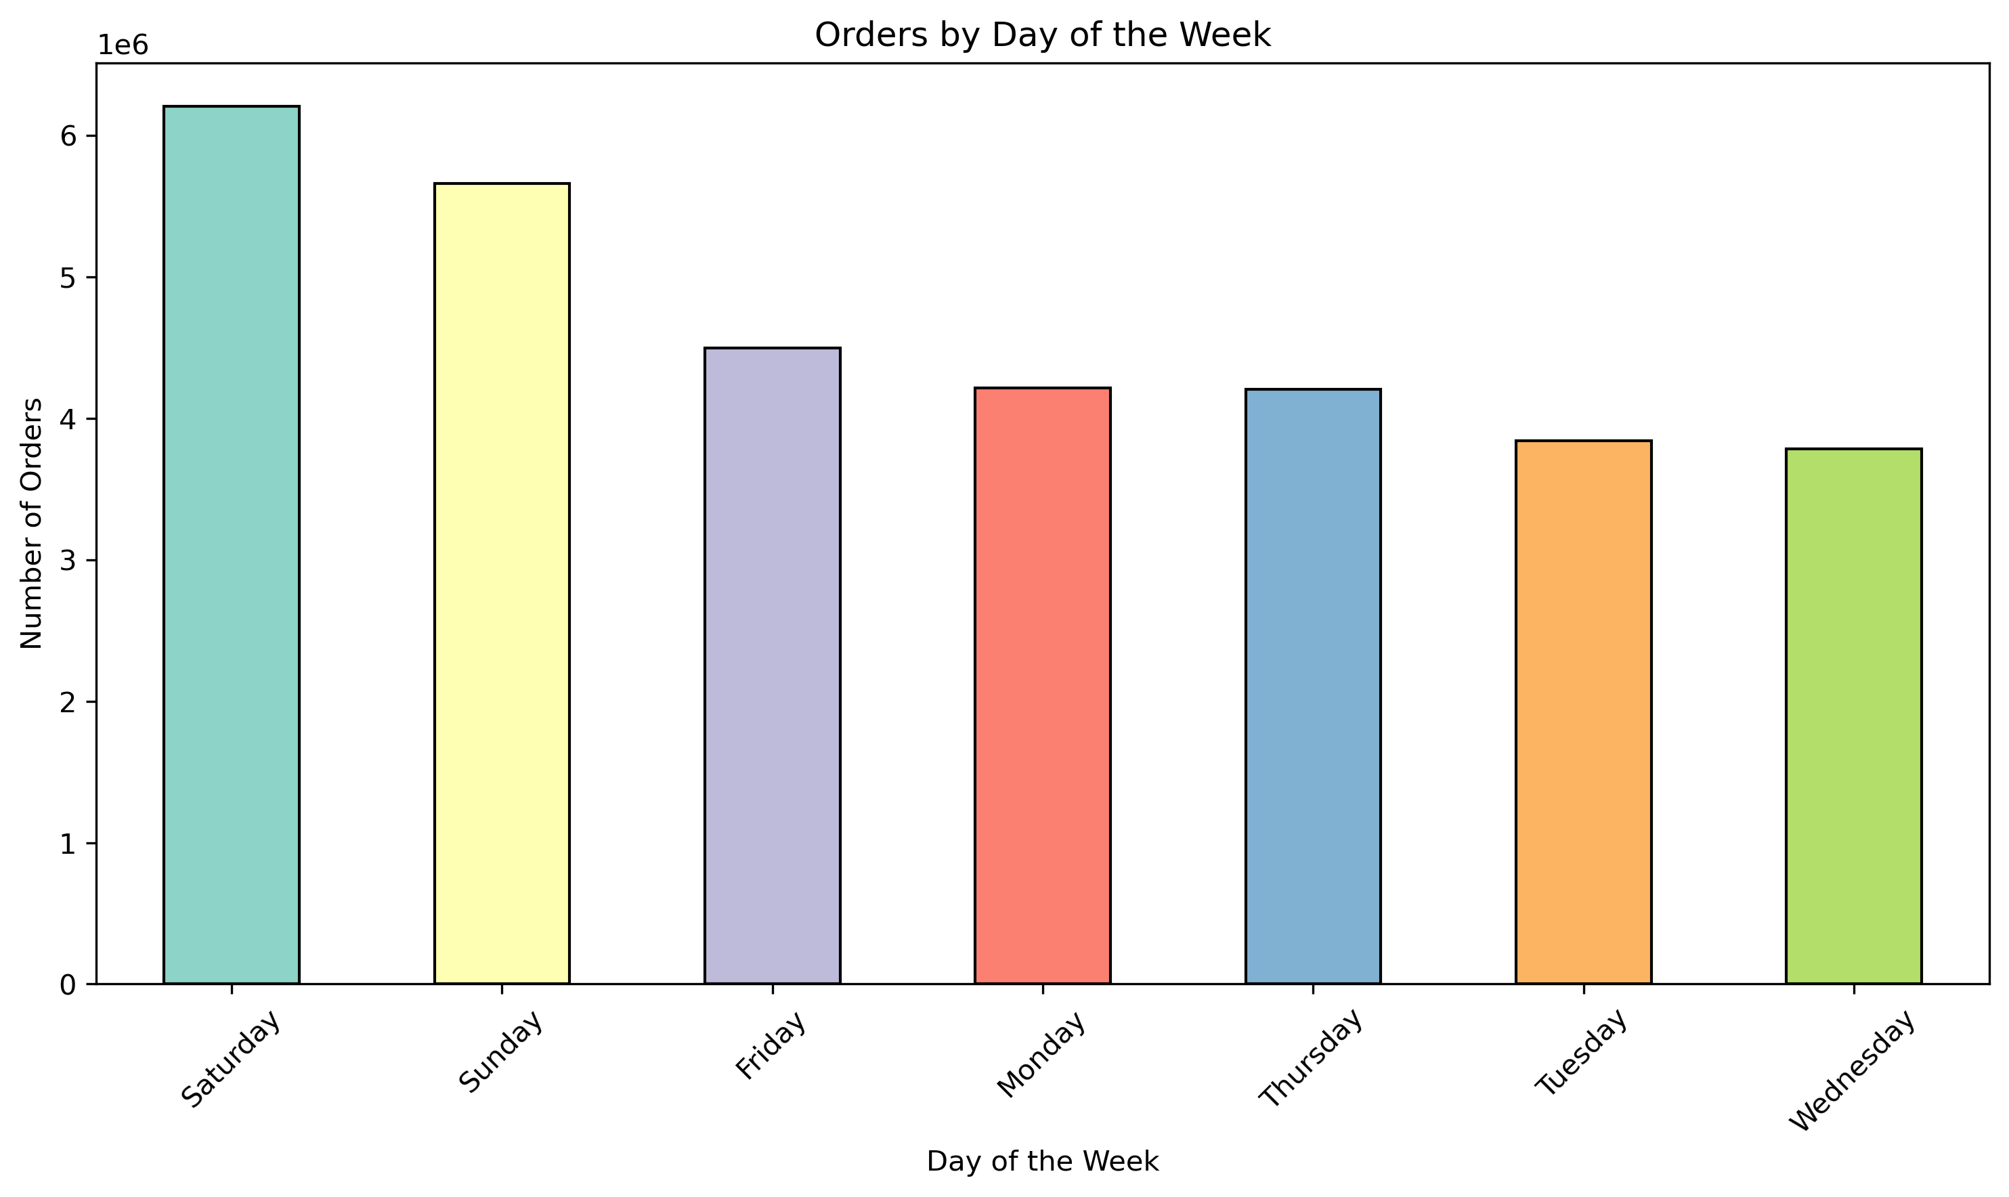
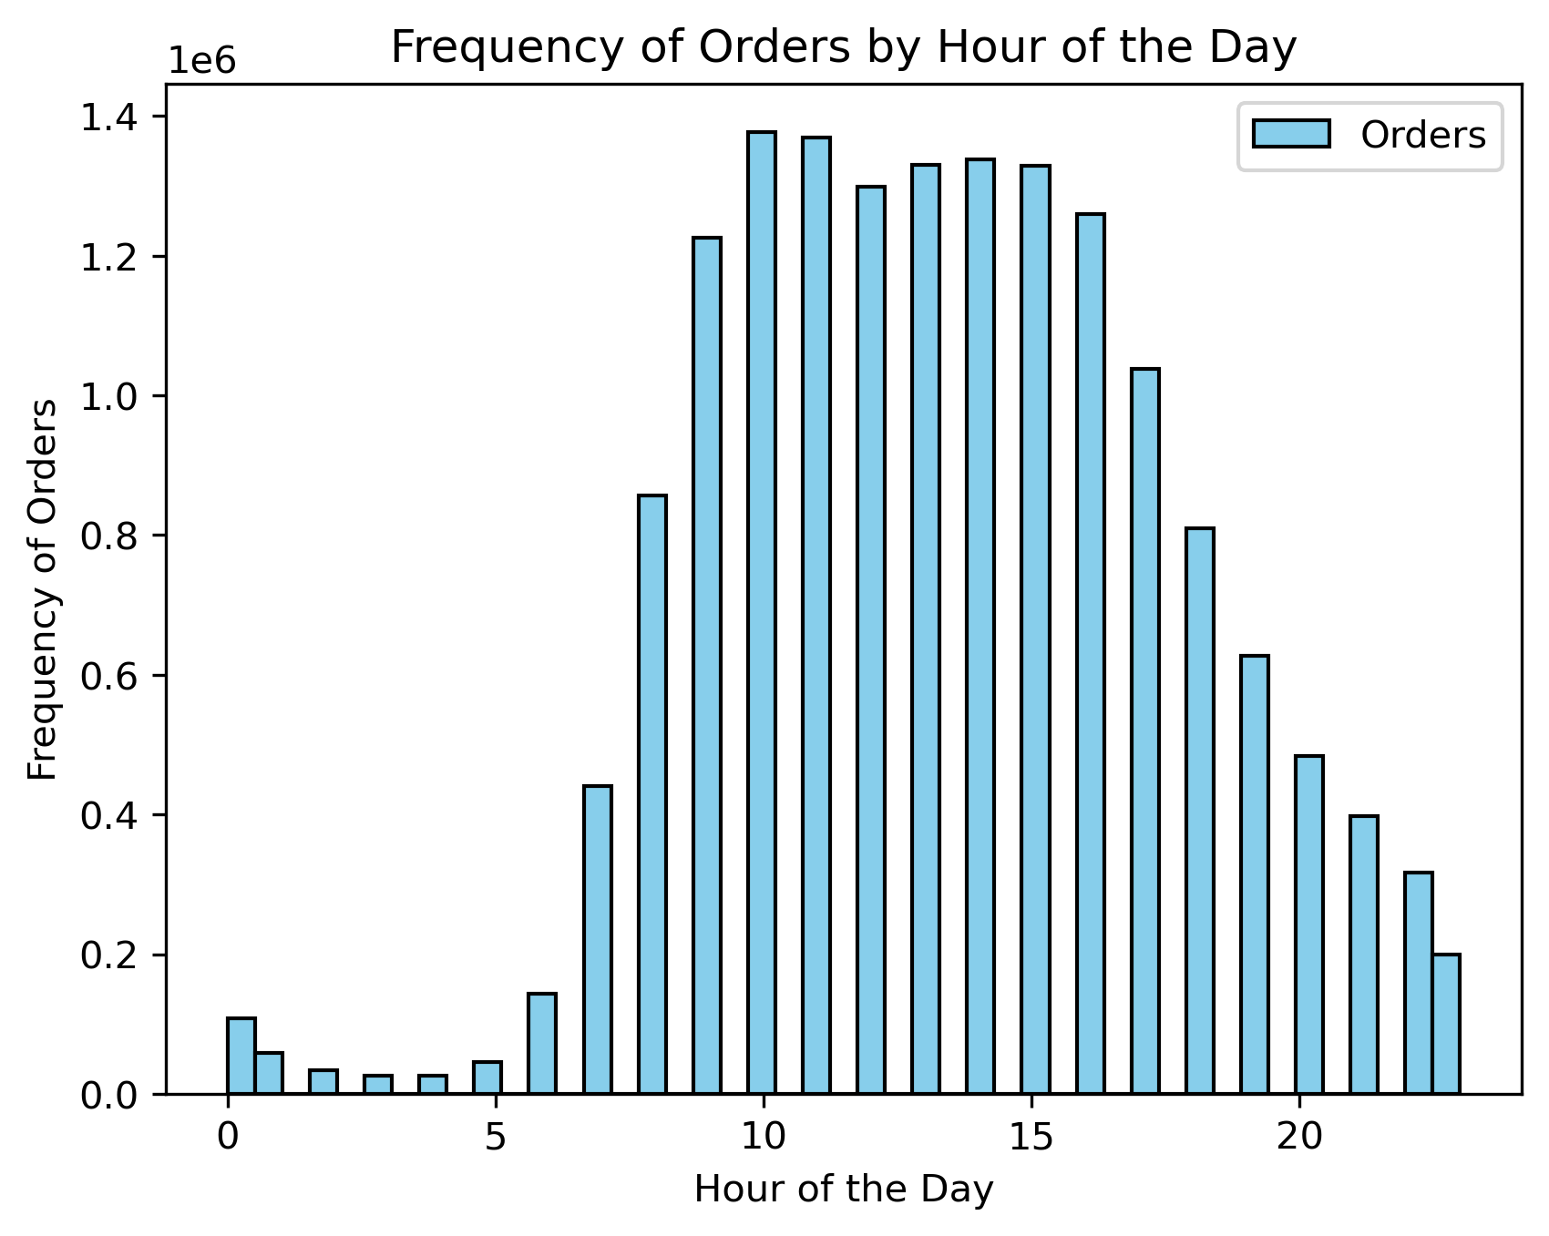
The sales team needs to know what the busiest days of the week and hours of the day are (i.e., the days and times with the most orders) in order to schedule ads at times when there are fewer orders.

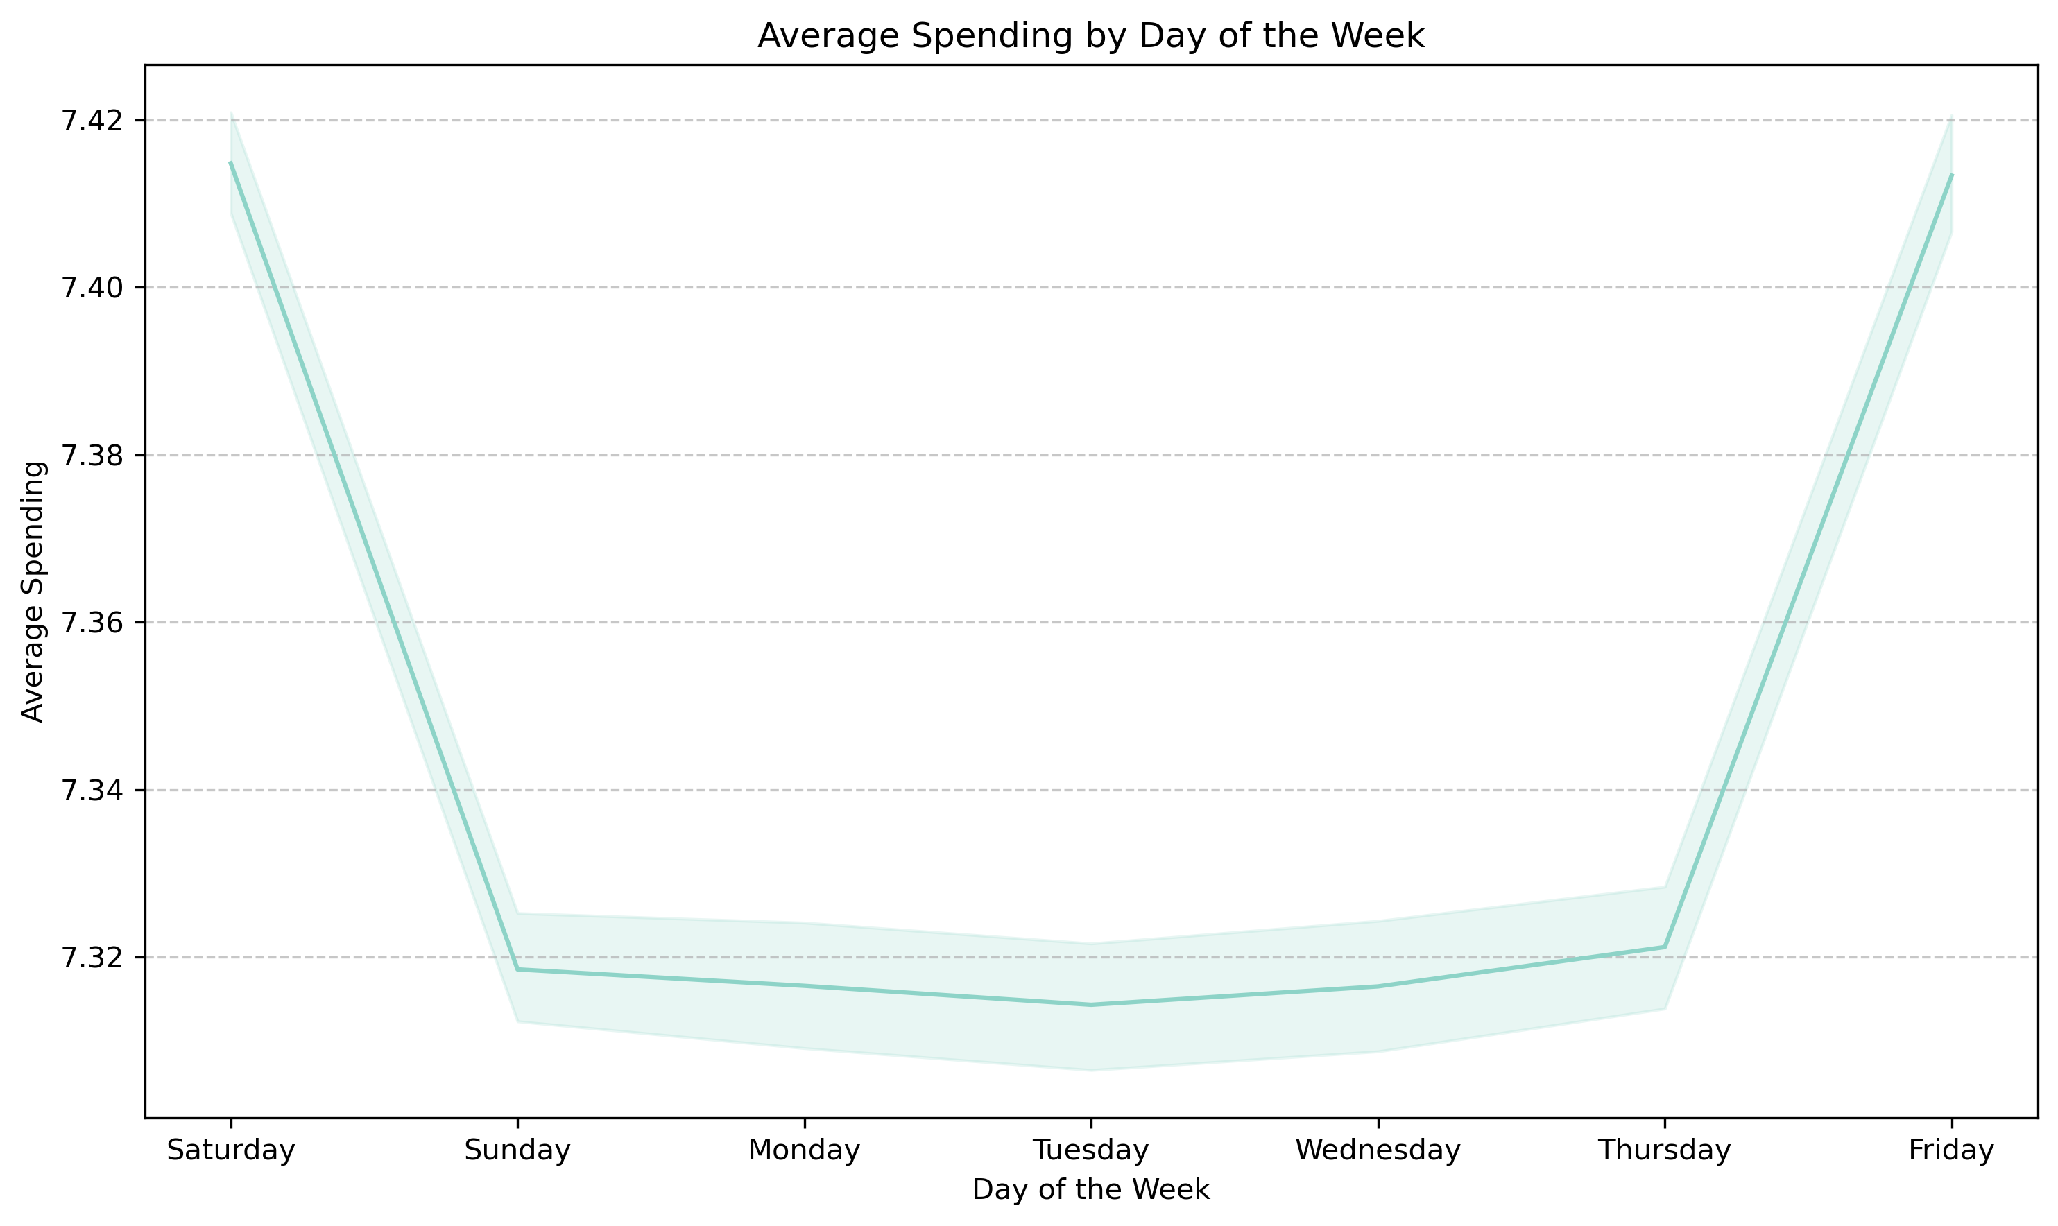
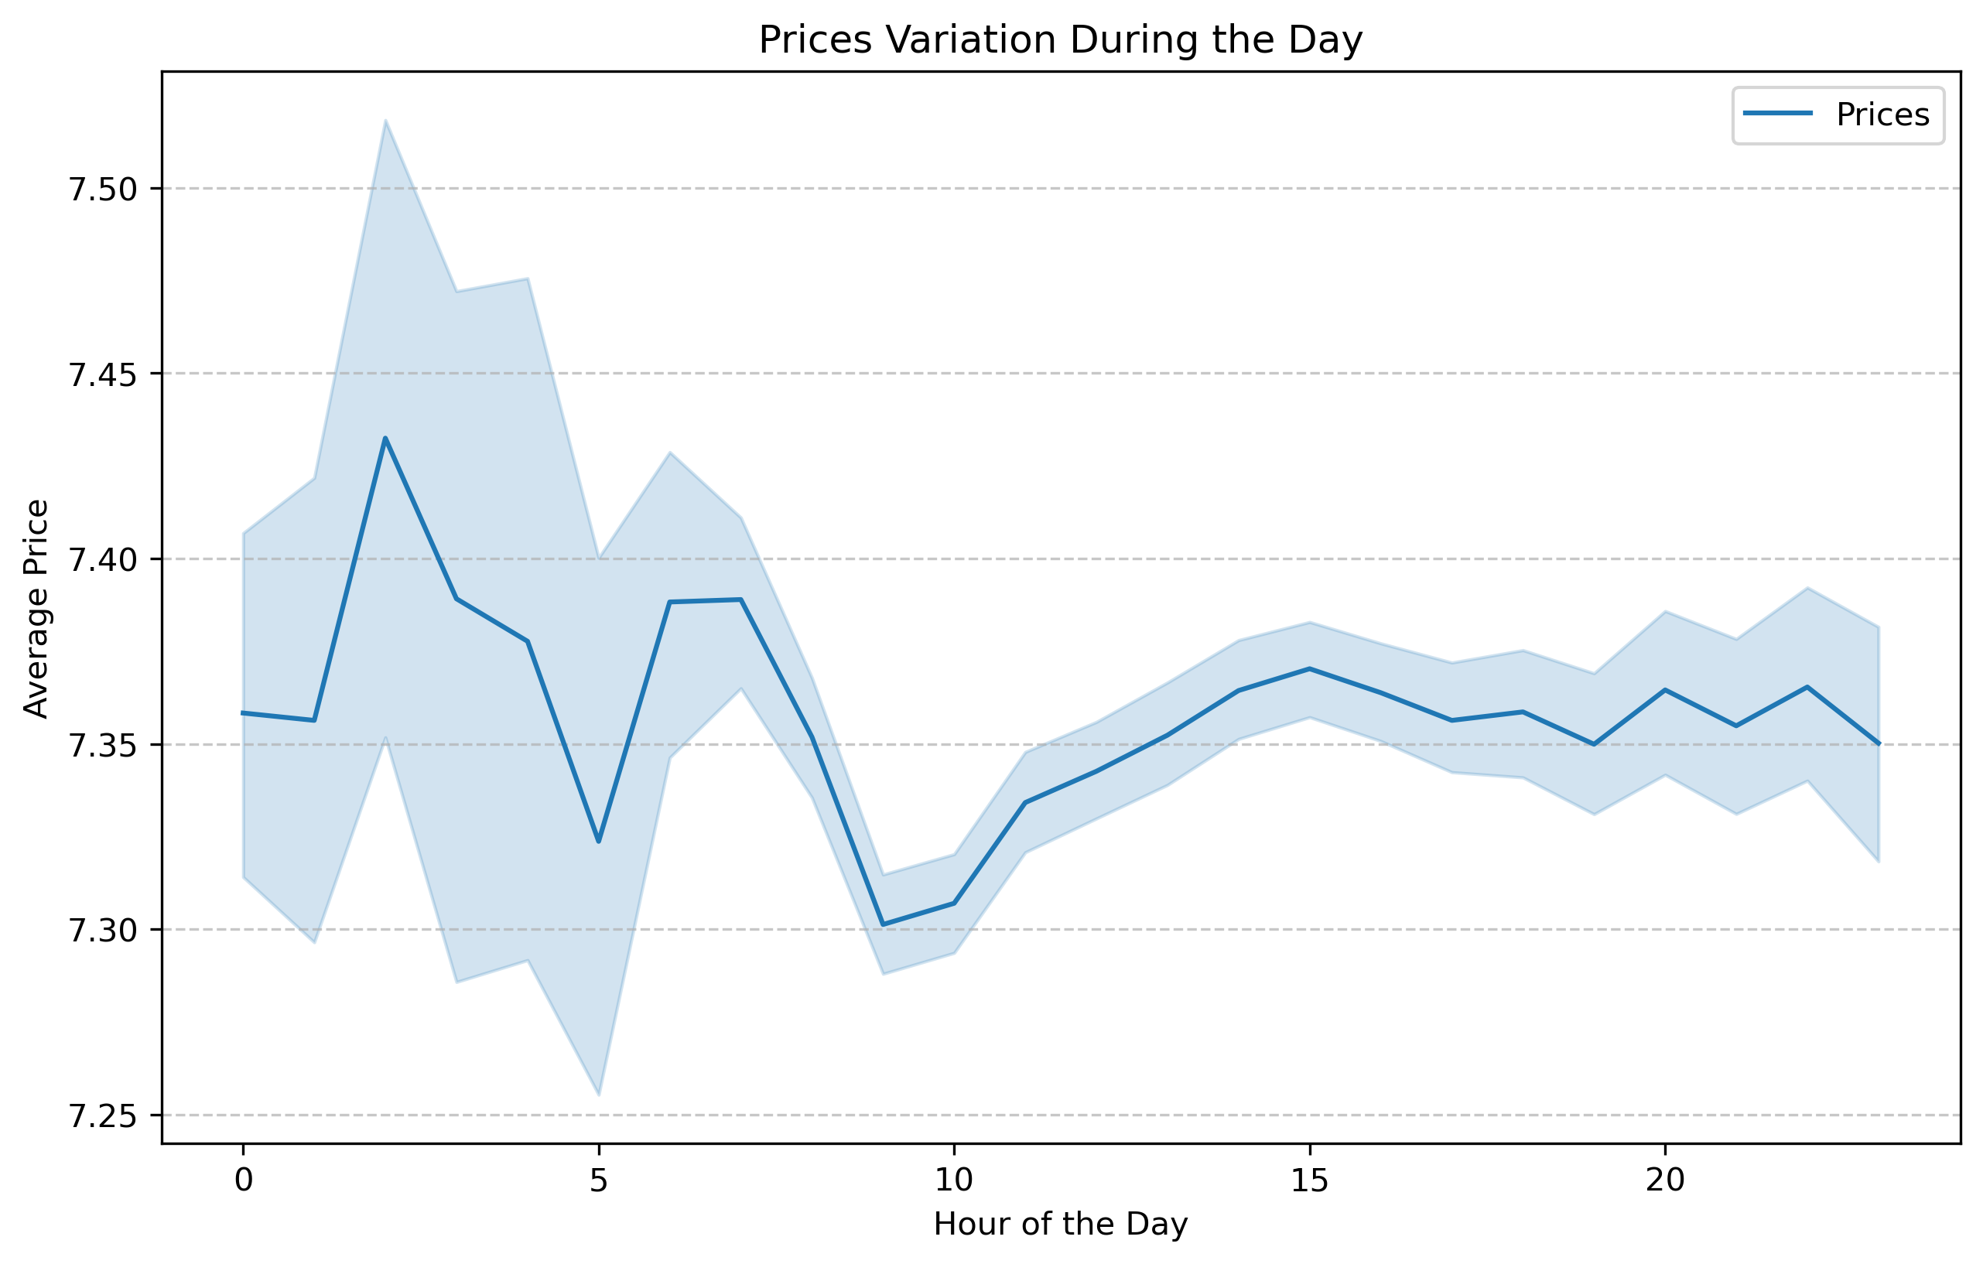

They also want to know whether there are particular times of the day when people spend the most money, as this might inform the type of products they advertise at these times.

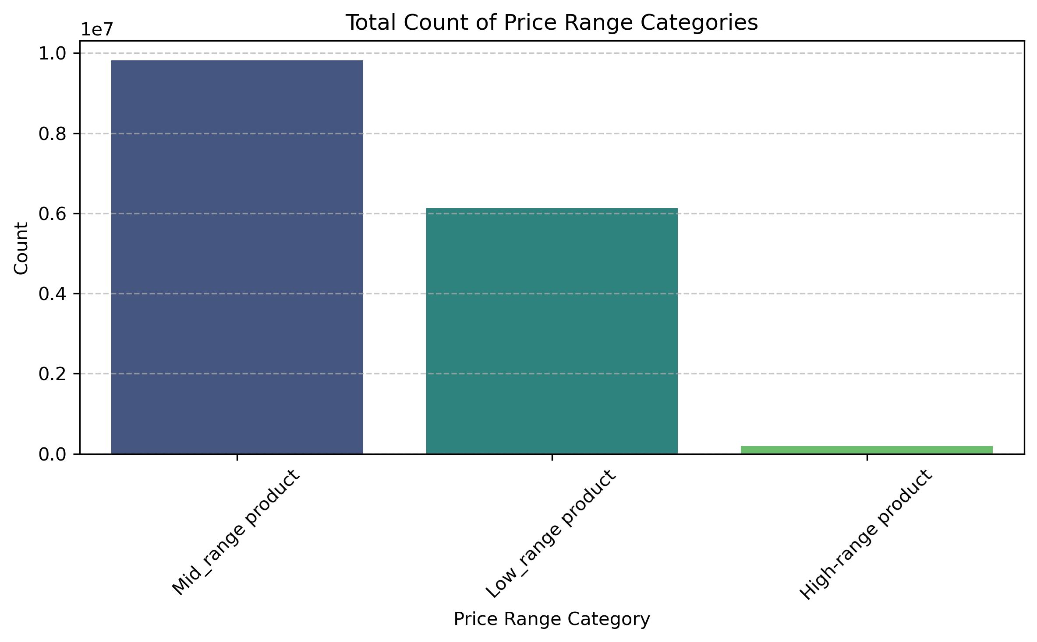
Instacart has a lot of products with different price tags. Marketing and sales want to use simpler price range groupings to help direct their efforts

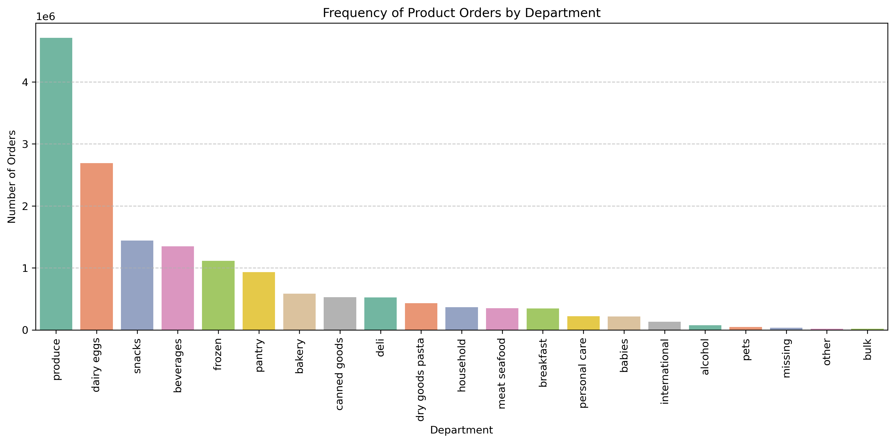
Are there certain types of products that are more popular than others? The marketing and sales teams want to know which departments have the highest frequency of product orders.

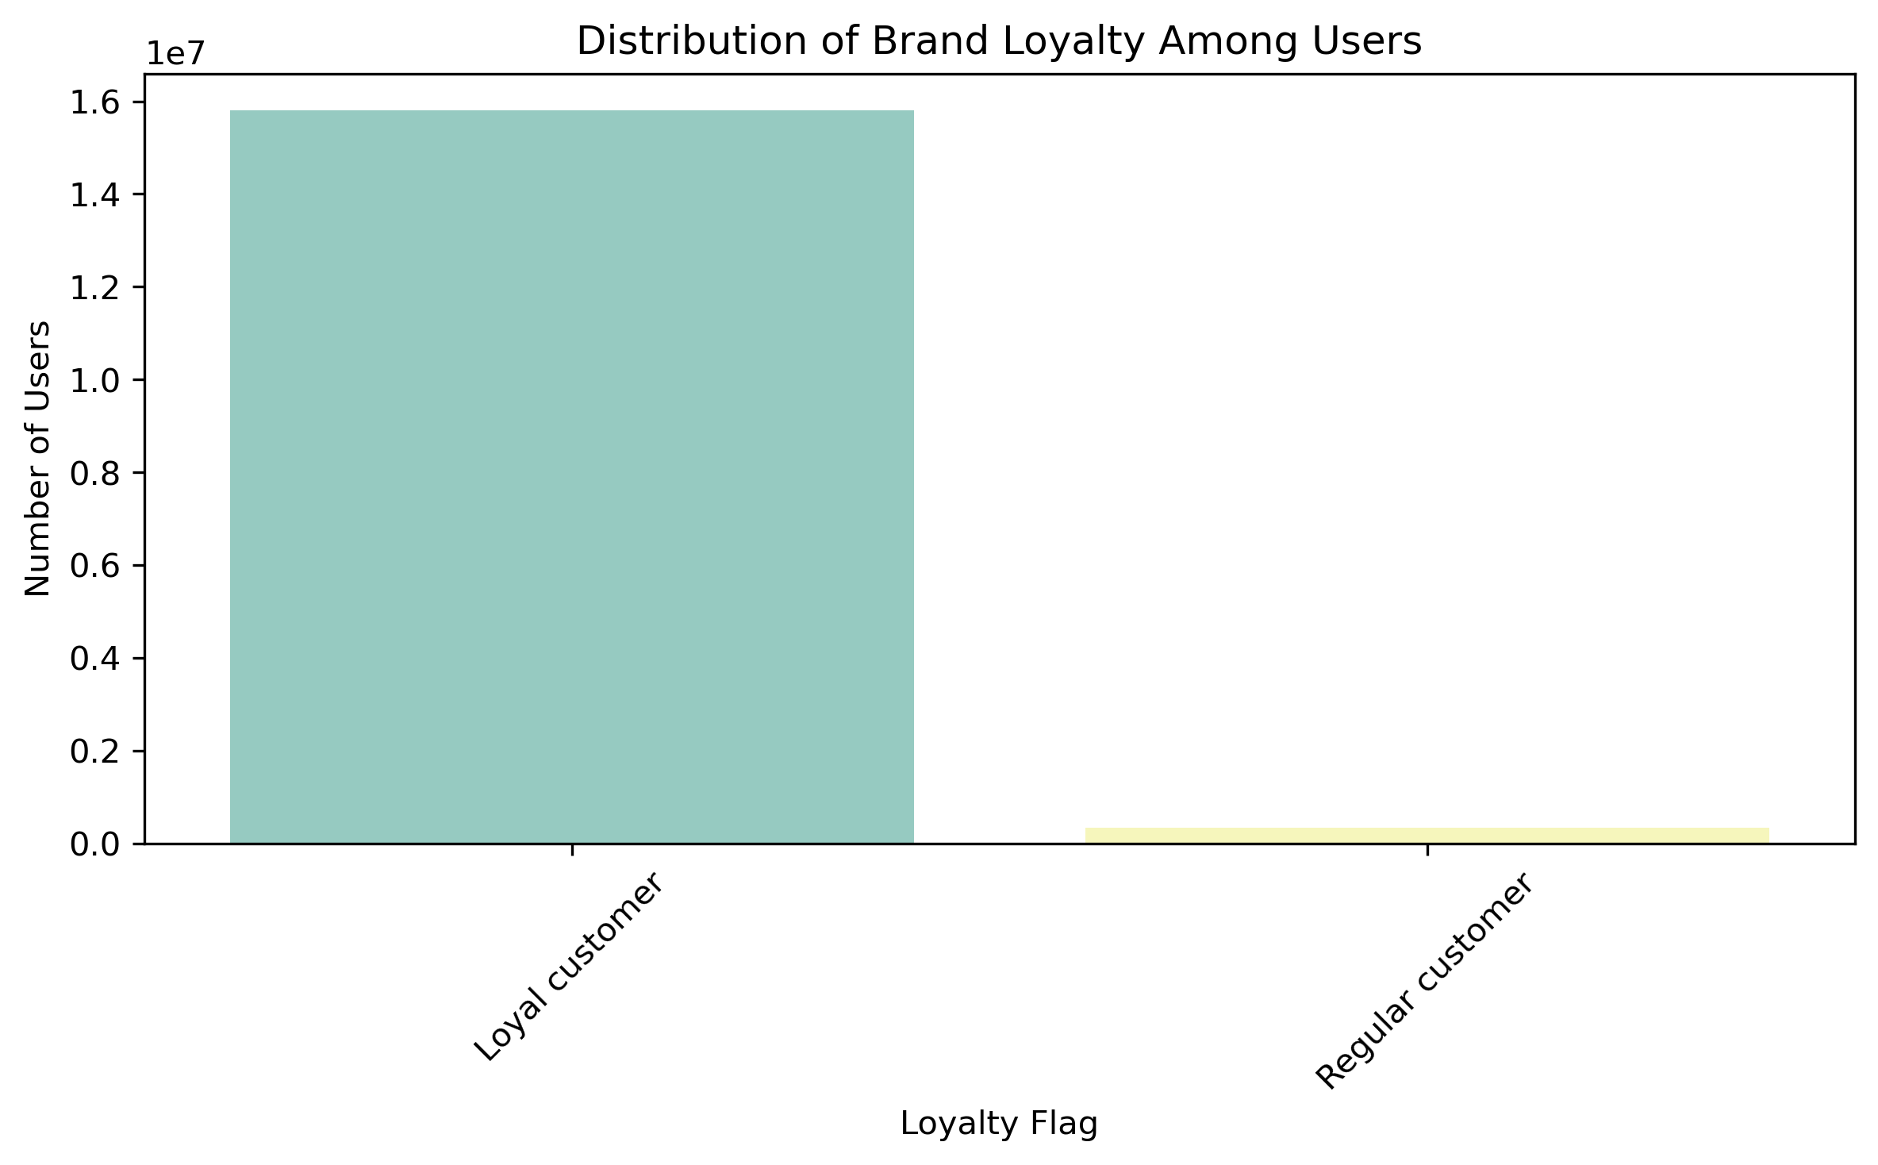

What’s the distribution among users in regards to their brand loyalty (i.e., how often do they return to Instacart)?

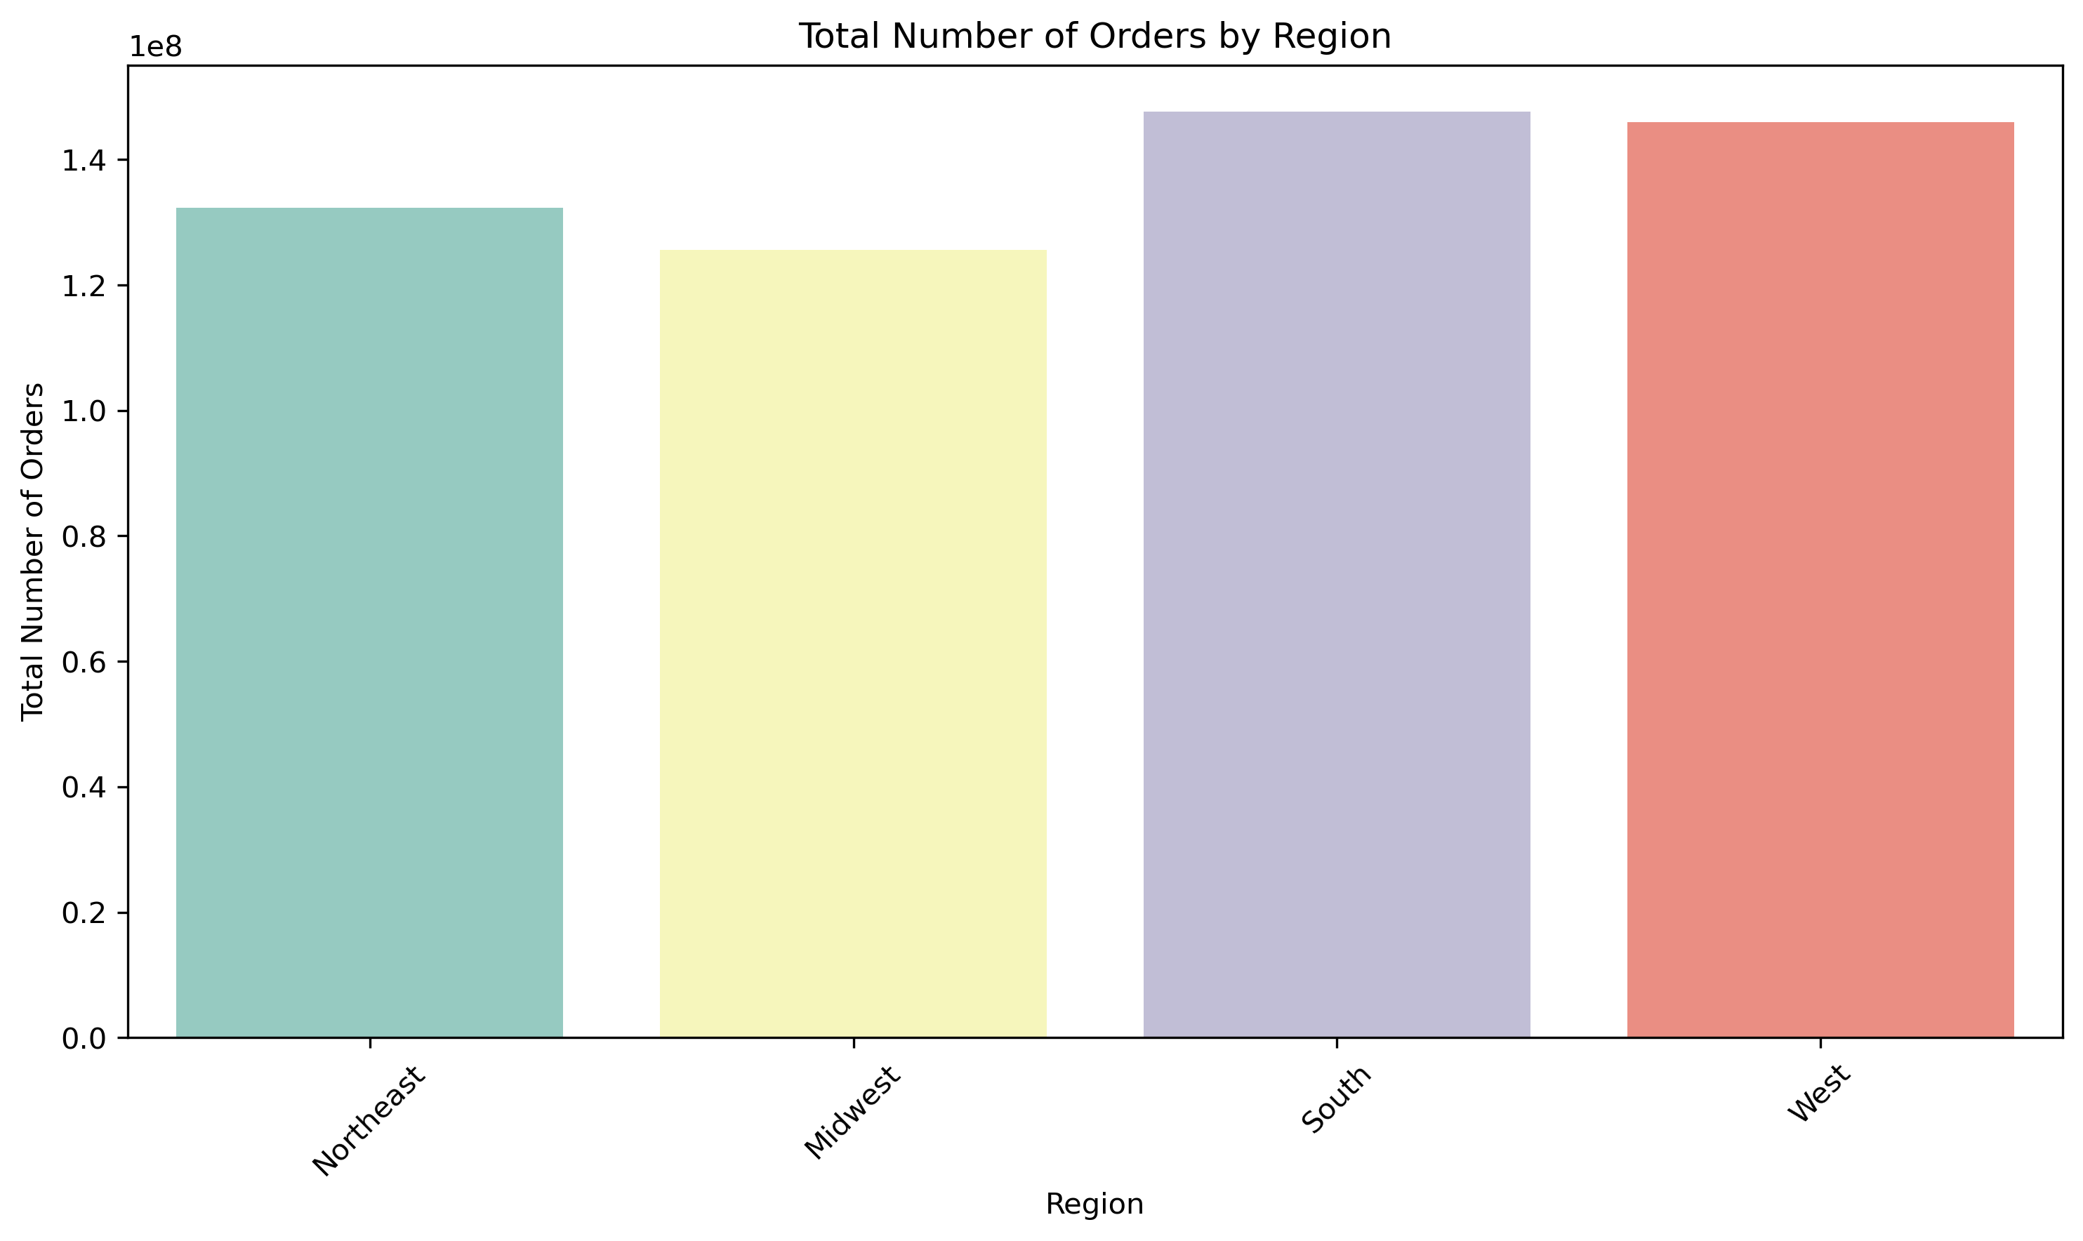
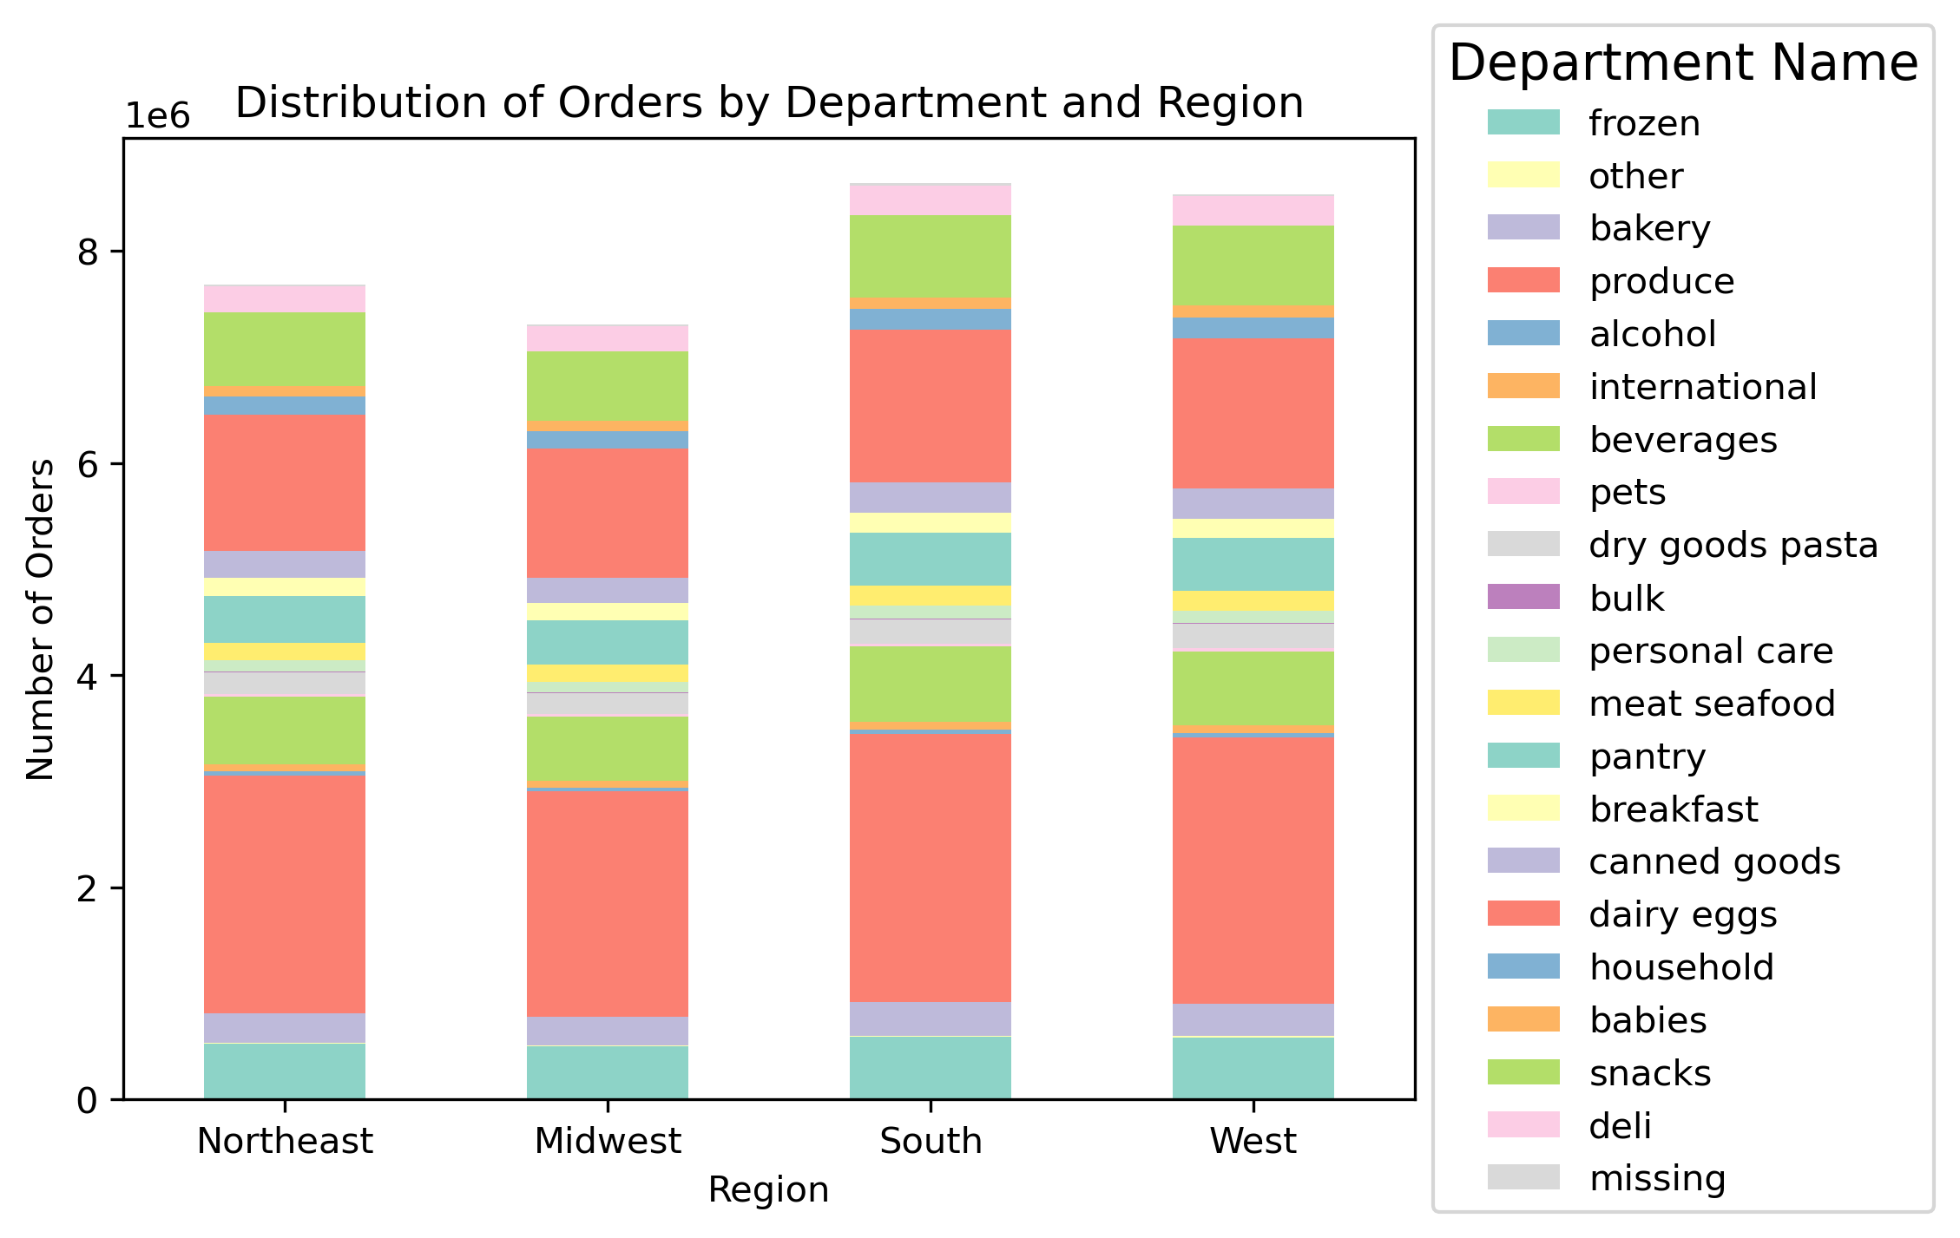
Are there differences in ordering habits based on a customer’s region?

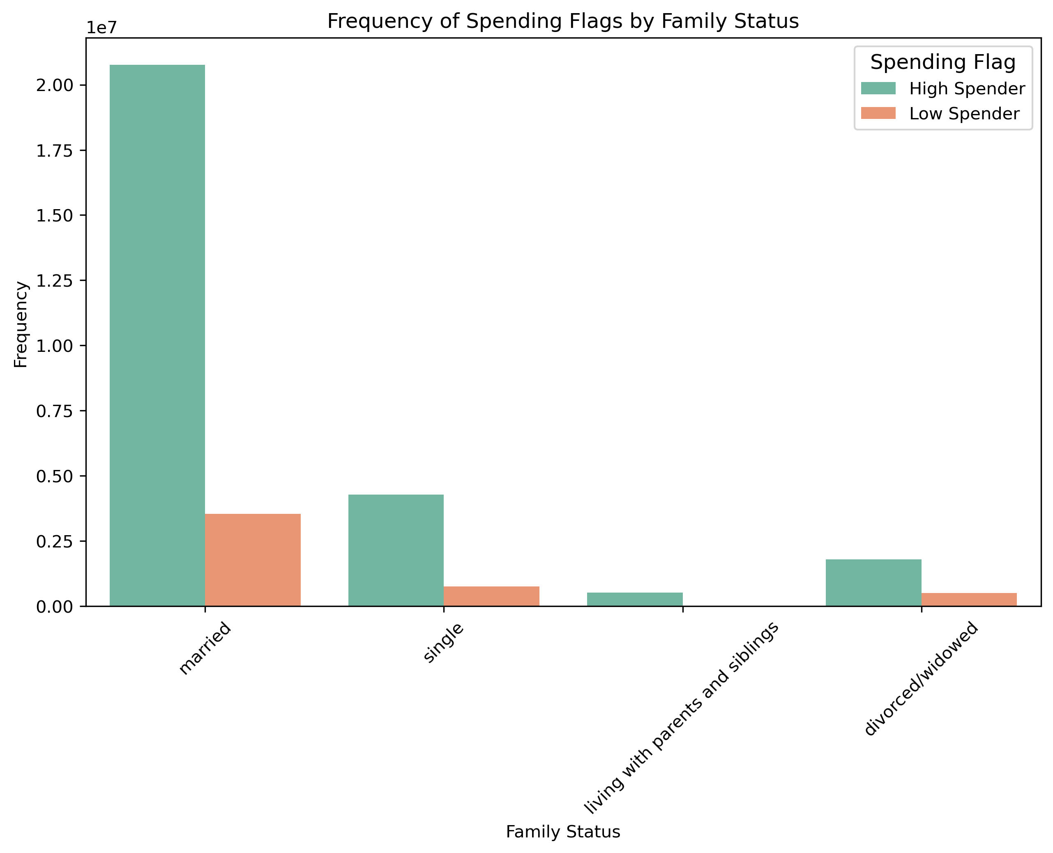
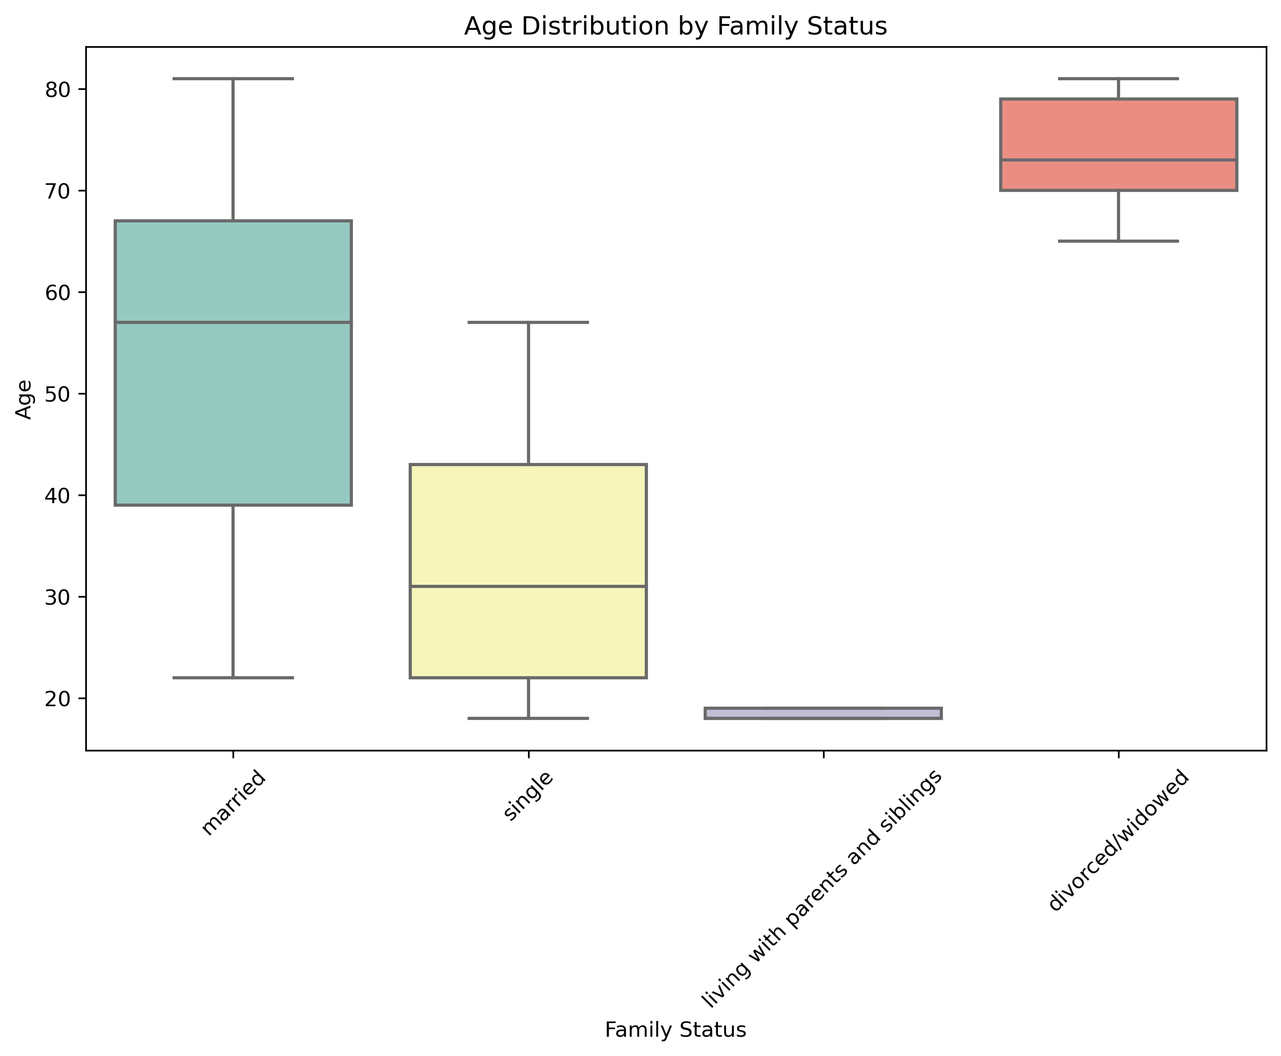
Is there a connection between age and family status in terms of ordering

What different classifications does the demographic information suggest? Age? Income? Certain types of goods? Family status?

 |  | NOTE

 | 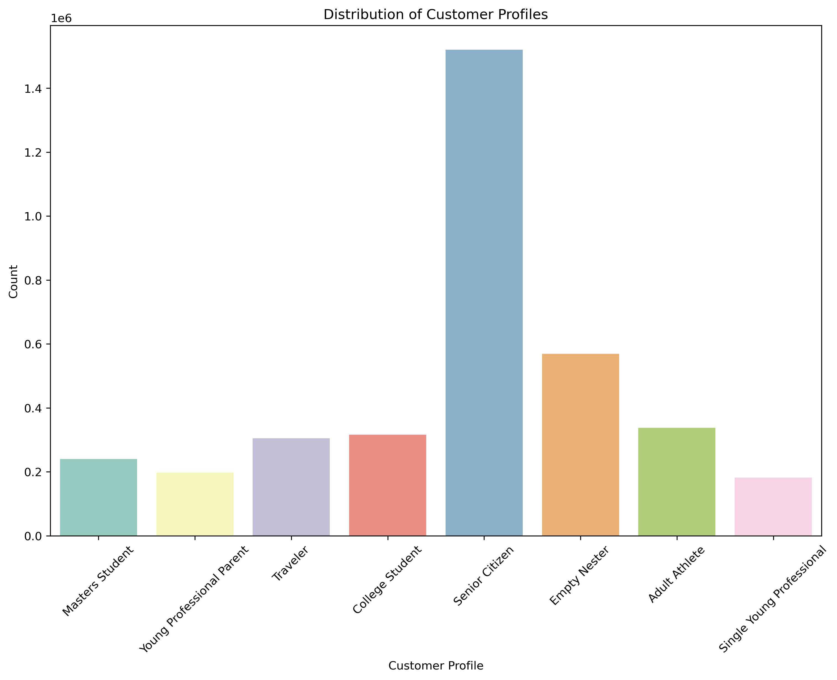 | College Student: Customers who are single, have no dependants, are aged between 18 and 25, and typically purchase from departments like Frozen, Alcohol, Beverages, Snacks, and more. Single Young Professional: Single customers with no dependants, aged between 26 and 35, often shop in departments like Frozen, Bakery, Beverages, Personal Care, and more. Adult Athlete: Customers who can be single or married with no dependants, aged between 25 and 35, frequently buy from departments like Beverages, Personal Care, Meat & Seafood, and more. Young Mother: Customers who are single, divorced, or widowed, have one dependant, aged between 20 and 30, typically purchase from departments like Frozen, Bakery, Dry Goods Pasta, Canned Goods, and more. This profile is specific to females. Young Professional Parent: Married customers with one or two dependants, aged between 28 and 40, often shop in departments like Bakery, Beverages, Personal Care, Meat & Seafood, and more. Empty Nester: Customers who can be single, divorced, or widowed, have no dependants, aged between 45 and 65, frequently buy from departments like Bakery, Alcohol, Beverages, Snacks, and more. Senior Citizen: Customers who can be single or married, have no dependants, aged 66 or older, typically purchase from departments like Frozen, Other, Bakery, Produce, and more. Traveler: Customers who can be single, divorced, or widowed, have no dependants, aged 20 to 40, often shop in departments like Frozen, Alcohol, Beverages, Snacks, and more. Masters Student: Customers who can be single or married with one or two dependants, aged 30 to 40, frequently buy from departments like Frozen, Beverages, Pantry, Canned Goods, and more.

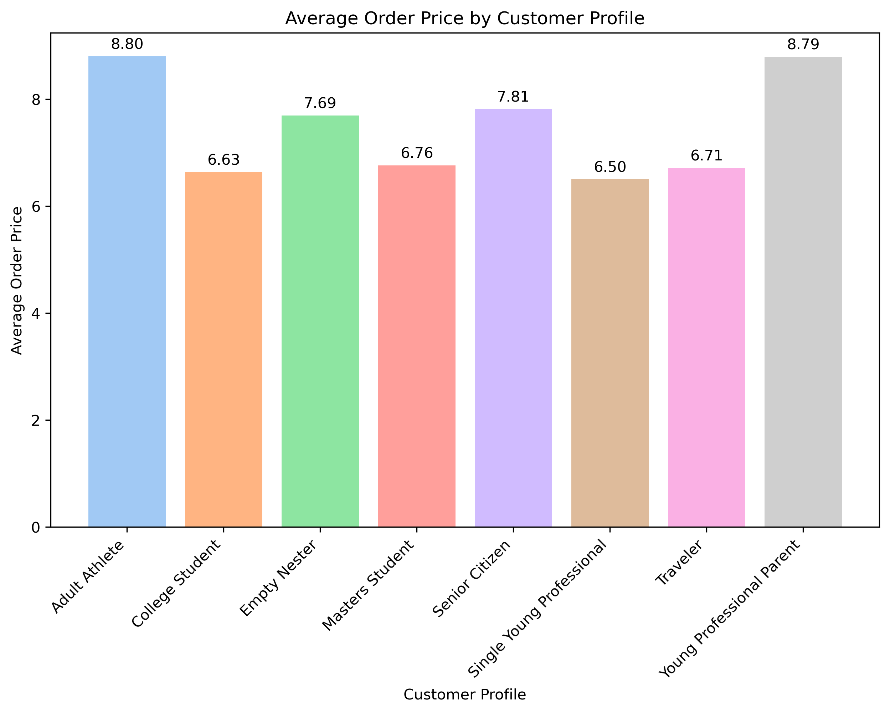

What differences can you find in ordering habits of different customer profiles? Consider the price of orders, the frequency of orders, the products customers are ordering, and anything else you can think of.

7. Recommendations
 |  |  |  | Title page

Recommendations

In this tab you should include any recommendations you would made to Instcart in terms of their marketing strategy based on the questions posed in the brief. Every key question has been covered in the Tasks of the Exercises - here you need to add an item - a visualisation or table/crosstable that is showing the answer in the data, acompanied by a comment from you. Please, list the questions below and add the answer underneath.

Question | Answer | Recommendations
The sales team needs to know what the busiest days of the week and hours of the day are (i.e., the days and times with the most orders) in order to schedule ads at times when there are fewer orders. | Busiest days are Saturday and Sunday (weekends) and the hours of the day with the highest frequency of orders are from 10:00 AM to 15:00 PM | Target Weekends for Ads: Focusing on the busiest days, which are Saturday and Sunday (weekends), is crucial. These days typically see higher customer engagement and order activity. By strategically scheduling ads during weekends, we can capture a larger audience and potentially boost sales significantly. | Focus on Peak Hours (10:00 AM - 3:00 PM): Concentrating advertising efforts during the hours of the day with the highest frequency of orders (from 10:00 AM to 3:00 PM) is essential. This is when customers are most active and receptive to ads. Allocating resources and promotions during these peak hours can lead to increased conversions and revenue.
They also want to know whether there are particular times of the day-week when people spend the most money, as this might inform the type of products they advertise at these times. | time-lapse when customers spend more are from Thursday morning to Saturday night and customer paid more from 12:00 AM to 05:00 AM | I have identified a significant opportunity to boost revenue by targeting peak spending days, which occur from Thursday morning through Saturday night. These days consistently see higher customer spending, making them ideal for strategic promotions and special offers. | To maximize revenue potential, it is recommended to focus marketing efforts on the early morning hours between 12:00 AM and 5:00 AM. Customers tend to make substantial purchases during this time frame, particularly for breakfast and early riser products. Adjusting advertising and product recommendations to capture this trend can lead to increased sales."
Instacart has a lot of products with different price tags. Marketing and sales want to use simpler price range groupings to help direct their efforts | By difference, mid-range products are majority in Instacart inventory | Increase amount of low-range products, offer these products as a part of a discount to increase sales.
Are there certain types of products that are more popular than others? The marketing and sales teams want to know which departments have the highest frequency of product orders. | Products, dairy-eggs, snacks, beverages,frozen products are the top 5 products prefered by customers | Highlight Top Departments: Consider featuring products from the top departments such as Dairy & Eggs, Snacks, Beverages, and Frozen Products prominently in marketing campaigns and advertisements. These departments have shown high customer preference, so showcasing them can potentially drive more sales and customer engagement. | Customized Recommendations: Implement personalized product recommendations based on customers' previous orders and preferences.
What’s the distribution among users in regards to their brand loyalty (i.e., how often do they return to Instacart)? | Majority of customers are loyal
Are there differences in ordering habits based on a customer’s region? | South Region and West Region customers purchase more than the rest, but it is not a very significant difference | region-Focused Promotions: While there may not be a significant difference in ordering habits among regions, it's still valuable to implement region-focused promotions. Create marketing campaigns that resonate with South and West Region customers by highlighting products or deals that are particularly popular or relevant in those areas. This targeted approach can boost sales and customer loyalty. | Collect and Analyze Regional Data: Continuously collect and analyze data related to regional ordering habits. Even small variations in customer behavior can provide valuable insights. Monitor trends over time to identify any emerging patterns or opportunities for improvement. This data-driven approach will help in making informed decisions regarding regional marketing strategies.
Is there a connection between age and family status in terms of ordering | Single customers are between 20 and 37 yo, married between 37 to 66 yo,divorced between 66 and more, but, this is considered as a whole, there are cases of single customers above 37 yo and married ealier too. | Related Family Status Patterns: While there's a general trend of single customers being younger (between 20 and 37 years old) and married customers falling within the 37 to 66 age range, it's important to note that these are overall patterns. Individual cases may vary significantly. Some single customers may be older, and there may be instances of customers getting married earlier or later than the typical age range.
What different classifications does the demographic information suggest? Age? Income? Certain types of goods? Family status?" | by far, customers that are senior citizens are the primary source of income of Instacart,followed by empty Nesters, the rest of categories likecollege students or young professionals are pretty close | Target Senior Citizens and Empty Nesters: Given that senior citizens and empty nesters appear to be the primary sources of income for Instacart, it's crucial to tailor marketing campaigns and product recommendations specifically to these customer segments. This might include promoting products and services that align with the needs and preferences of older demographics, such as convenient home delivery, health-conscious items, and personalized customer support. By catering to these segments effectively, you we can maximize revenue. | Diversify Product Offerings for Younger Segments: While senior citizens and empty nesters are significant contributors to revenue, we don't have to overlook the potential of younger customer segments like college students and young professionals. Although their contribution might be lower currently, there's an opportunity for growth. Consider diversifying your product offerings to cater to their unique preferences and needs. Special promotions, student discounts, and products that align with busy, active lifestyles can attract and retain these customers, potentially increasing their spending over time.
What differences can you find in ordering habits of different customer profiles? Consider the price of orders, the frequency of orders, the products customers are ordering, and anything else you can think of. | Young professional parents customers and adult athletes are willing to spend more in the app. | Tailor Promotions for Young Professional Customers: Young professional parents customers are willing to spend more on the platform. To further capitalize on this, consider tailoring promotions, discounts, and product recommendations specifically for them. Focus on the top product categories they prefer, such as "Bakery," "Beverages," "Pets," "Personal Care," "Meat Seafood," and "Deli." Offering exclusive deals or bundles within these categories can incentivize them to make larger purchases and become loyal customers. | Cater to Health-Conscious Shoppers: Adult athletes tend to favor departments like "Beverages," "Personal Care," "Meat Seafood," and "Deli." These departments often include health and fitness-related products. To tap into this segment, emphasize health-conscious offerings within these categories. Highlight organic, low-fat, high-protein, and other wellness-oriented options.

